Monetizing Tax Credit Penalty
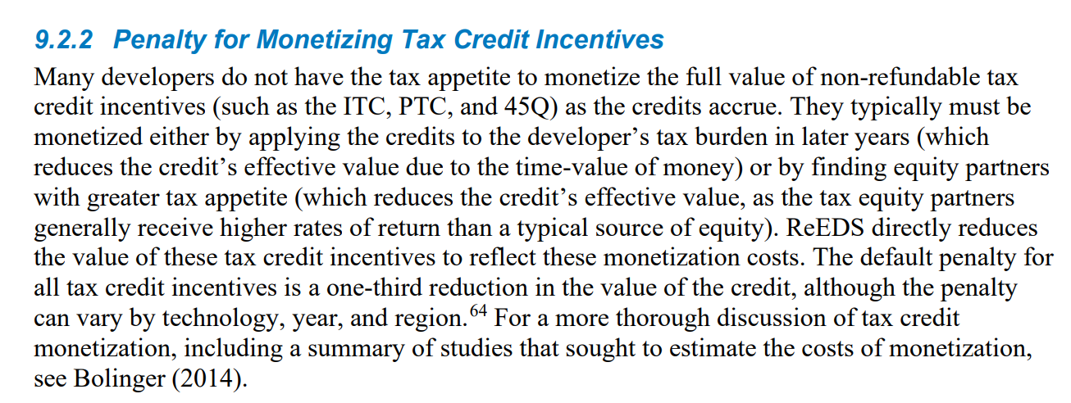

Available Tax Credit After Penalty
0.67

